Sheet1
 | Action to do Sanity Test Data Modeler

 | 1 Create a Project with xls option
 | 2 Update Data Model with import xls option
 | 3 Run Prototype

 | STEPS DESCRIPTION TO EXECUTE THE SANITY TEST
# | Step | Expected Results
1 | Log on Norman
2 | Create a Project with xls option
 | click on Projects
 | New Project
 | Set project Title: TESTPROJECTXLS, enter
 | Open the project: Click on TESTPROJECTXLS
 | Click on Go to Data Model button
 | On Create a Data Model Window click on import xls | Check windows to choose xls file appears
 | Click on Select File to upload button and select Sales Order Data model.xlsx file | Check canvas appears with these entities and these relations

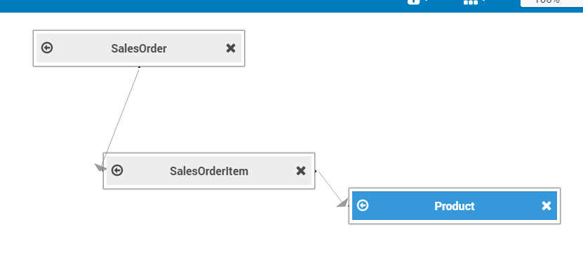

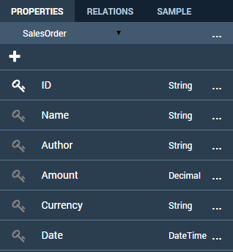
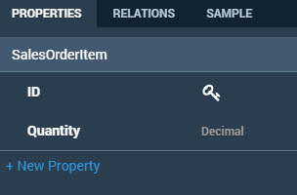
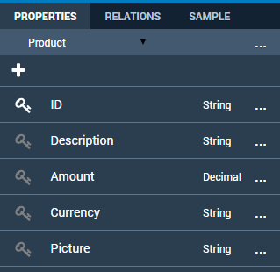
 | Select SalesOrder entity
 | In the right panel in properties tab check Salesorder has the following properties | Check SalesOrder properties | Check SalesOrderItem properties | Check Product properties
 | Select SalesOrderItem entity
 | In the right panel in properties tab check SalesorderItem has the following properties
 | Select product entity
 | In the right panel in properties tab check Product has the following properties

3 | Update Data Model with import xls option
 | Delete Product entity: Select Product, click on cross icon. | Check Product disappears of canvas
 | add entity with import xls: Click on + icon, click on import xls, select Product.xlsx file | Check product entity appears on canvas
 | select product entity:
 | In the right panel in properties tab check Product has the following properties | Check Product properties

 | On right panel click on SAMPLE, click on View | Check the product table appears with data

 | Click on browser Back button | Check the canvas page appears

4 | Run Prototype
 | Click on prototype
 | Click on Go to Page Flow button
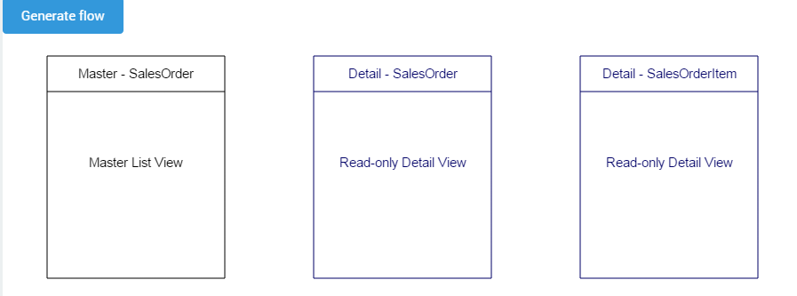
 | Click on Generate flow button | Check page is updated
 | Choose Master Detail in Read Only
 | Click on Generate button

 | Click on Run Button | Check application appears in a new page

